Sheet1
 |  |  |  |  |  |  | xxxx xxxx xxxxx xxPCS BOM

3sets unit price |  |  | Your comments | Item # | *Designator | *Qty | Manufacturer | *Mfg Part # | Description / Value | *Package/Footprint | Type | Your Instructions / Notes
$0.105 | $0.315 | Provide 1/16W, no 1/8W, please confirm. | confirm. | 1 | R1.2 | 1 |  |  | RES 110K OHM 1/8W (also acceptable 1/16W) 1% 0402 SMD | 0402 | SMD
$0.105 | $0.315 | Provide 1/16W, no 1/8W, please confirm. | confirm. | 2 | R1.1 | 1 |  |  | RES 15K OHM 1/8W (also acceptable 1/16W) 1% 0402 SMD | 0402 | SMD
$0.105 | $0.315 | Provide 1/16W, no 1/8W, please confirm. | confirm. | 3 | R1.3 | 1 |  |  | RES 1.2K OHM 1/8W (also acceptable 1/16W) 1% 0402 SMD | 0402 | SMD
$0.105 | $0.315 | Provide 1/16W, no 1/8W, please confirm. | confirm. | 4 | R.1.4 | 1 |  |  | RES 0.4 OHM 1/8W (also acceptable 1/16W) 1% 0402 SMD | 0402 | SMD
$0.105 | $0.315 | Provide 1/16W, no 1/8W, please confirm. | confirm. | 5 | R.1.5 | 1 |  |  | RES 1 K OHM 1/8W (also acceptable 1/16W) 1% 0402 SMD | 0402 | SMD
$0.105 | $0.315 | Provide 1/16W, no 1/8W, please confirm. | confirm. | 6 | R.1.6 | 1 |  |  | RES 1 K OHM 1/8W (also acceptable 1/16W) 1% 0402 SMD | 0402 | SMD
$0.105 | $0.315 | Provide 1/16W, no 1/8W, please confirm. | confirm. | 7 | R1.7 | 1 |  |  | RES 1 K OHM 1/8W (also acceptable 1/16W) 1% 0402 SMD | 0402 | SMD
$0.105 | $0.315 | Provide 1/16W, no 1/8W, please confirm. | confirm. | 8 | R1.8 | 1 |  |  | RES 1 K OHM 1/8W (also acceptable 1/16W) 1% 0402 SMD | 0402 | SMD
$0.105 | $0.315 | Provide 1/16W, no 1/8W, please confirm. | confirm. | 9 | R1.9 | 1 |  |  | RES 10 K OHM 1/8W (also acceptable 1/16W) 1% 0402 SMD | 0402 | SMD
$0.525 | $1.575 |  |  | 10 | C1.1 | 1 |  |  | CAP CER 22UF 16V X7R (C0G)1206 | 1206 | SMD
$0.525 | $1.575 |  |  | 11 | C1.2 | 1 |  |  | CAP CER 22UF 16V X7R (C0G)1206 | 1206 | SMD
$0.315 | $0.945 |  |  | 12 | C1.3 | 1 |  |  | CAP CER10UF 16V X7R (C0G)0805 | 805 | SMD
$0.315 | $0.945 |  |  | 13 | C1.4 | 1 |  |  | CAP CER10UF 16V X7R (C0G0805 | 805 | SMD
 | $0.000 | No stock, could you provide the alternative part number? Or can you supply this part to us? | please use - MT3608 | 14 | U1.1 | 1 |  |  | MT3506 |  | SMD
$0.525 | $1.575 |  |  | 15 | U1.2 | 1 |  |  | TC4056A |  | SMD
$0.315 | $0.945 |  |  | 16 | B1.1 | 1 |  |  | MSK-12D19 G2 SPDT 1P2T SMD 3 Pin PCB Panel Horizontal Slide Switch 40JA |  |  | https://www.aliexpress.com/item/4001105071189.html?spm=a2g39.orderlist.0.0.8f334aa6TwN2hG&_ga=2.69417497.86196085.1628065578-192845014.1618214524&_gac=1.250430002.1626334784.EAIaIQobChMI5eSjhsnk8QIVVc1MAh3v4Q7AEAEYASABEgIW8fD_BwE
$0.315 | $0.945 |  |  | 17 | B1.2 | 1 |  |  | MSK-12D19 G2 SPDT 1P2T SMD 3 Pin PCB Panel Horizontal Slide Switch 40JA |  |  | https://www.aliexpress.com/item/4001105071189.html?spm=a2g39.orderlist.0.0.8f334aa6TwN2hG&_ga=2.69417497.86196085.1628065578-192845014.1618214524&_gac=1.250430002.1626334784.EAIaIQobChMI5eSjhsnk8QIVVc1MAh3v4Q7AEAEYASABEgIW8fD_BwE
$0.525 | $1.575 | CDRH104R 22UH |  | 18 | L1.1 | 1 |  |  | 22UH YYT |  | SMD | https://aliexpress.ru/item/4000166903215.html?spm=a2g0o.search0302.0.0.7aae97dcpJZiUB&algo_pvid=45939aa3-0d13-457b-b833-8fed2d8049c6&algo_expid=45939aa3-0d13-457b-b833-8fed2d8049c6-17&btsid=0b8b035616281512251518089e1928&ws_ab_test=searchweb0_0,searchweb201602_,searchweb201603_
$0.420 | $1.260 |  |  | 19 | D1.1 | 1 |  |  | SS34 |  | SMD | https://aliexpress.ru/item/1005002002410774.html?spm=a2g0o.productlist.0.0.742e14060OMov3&s=p&ad_pvid=202108050115474761269999888800003366539_2&algo_pvid=336f4850-67d5-44b3-ad46-123ac24e511e&algo_expid=336f4850-67d5-44b3-ad46-123ac24e511e-1&btsid=0b8b035c16281513467116346e9a21&ws_ab_test=searchweb0_0,searchweb201602_,searchweb201603_
$0.210 | $0.630 | Made in China LED 0402 orange |  | 20 | D1.2 | 1 |  |  | LED, ORANGE, lower 20 mA, 3V | 0402 | SMD
$0.210 | $0.630 | Made in China LED 0402 blue |  | 21 | D1.3 | 1 |  |  | LED, BLUE, lower 20 mA, 3V | 0402 | SMD
$0.210 | $0.630 | Made in China LED 0402 green |  | 22 | D1.4 | 1 |  |  | LED, GREEN, lower 20 mA, 3V | 0402 | SMD
$0.263 | $0.788 | Female pin header 1*2pin 2.54mm height:8.5mm Please confirm. | Can you check my order, Order ID: G720488. for elemets - J2.1 was used same of pin | 23 | J.1.1 | 1 |  |  | Round hole pin header 2.54mm pitch row female GOLD single row 2 pins |  |  | https://www.aliexpress.com/item/4001122376295.html?spm=a2g0s.9042311.0.0.27424c4dCdPDpj
$0.525 | $1.575 | According to the link to provide made in China USB | confirm | 24 | J1.2 | 1 |  |  | micro-USB type B |  |  | https://www.aliexpress.com/item/10000001458187.html?spm=a2g0o.productlist.0.0.6ab16dc7xV5iIC&s=p&ad_pvid=202108050128122285519604986400008945400_1&algo_pvid=77de27b1-9d3e-41fb-9920-ec2668adac1a&algo_expid=77de27b1-9d3e-41fb-9920-ec2668adac1a-0&btsid=0b8b158f16281520903477458e8894&ws_ab_test=searchweb0_0,searchweb201602_,searchweb201603_
$0.210 | $0.630 | XH2.54MM 2P male 180 degrees to the vertical | please see the photo | 25 | J1.3 | 1 |  |  | XH2.54 2 pins bottom side |  |  | https://aliexpress.ru/item/32870387217.html?spm=a2g0o.productlist.0.0.fb277339A4e1kq&algo_pvid=7906de6f-efa7-482a-a30e-b73992b42e55&algo_expid=7906de6f-efa7-482a-a30e-b73992b42e55-1&btsid=0b8b15f516281516314447554e225f&ws_ab_test=searchweb0_0,searchweb201602_,searchweb201603_
Total | $19.058

 |  |  |  |  |  |  |  |  | J1.2

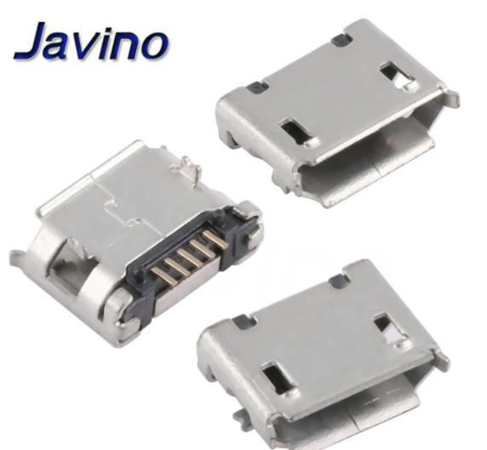
According to Description / Value

